breakout2403
M/G | First Name | Surname | Trade | Attendance
M | Arun | Prasad | IT Consultant | Y
M | Ben | Wong | CFO | Y
M | Ben | Tee | Aircon | Y
M | Benjamin | Ng | Trust | Y
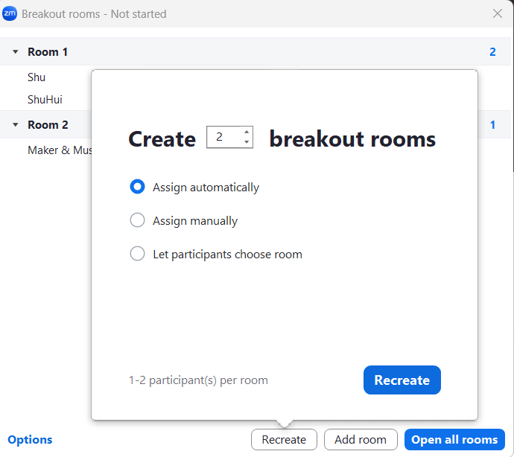
M | Daniel | Yen | Commercial ID
M | Deborah | Chueh | Corp Sec | Y
M | Iskons |  | Signages | Y
M | Ismail | Khamis | Education Services | Y
M | Ivan | Ang | AI Automation | Y
M | Jaron | Chan | Resi ID | Y
M | Jay | Tan | HR Solutions | Y
M | Jia Zheng | Lee | Estate Planning | Y
M | Joanne | Sooi
M | Kay | Tan | Car Trade
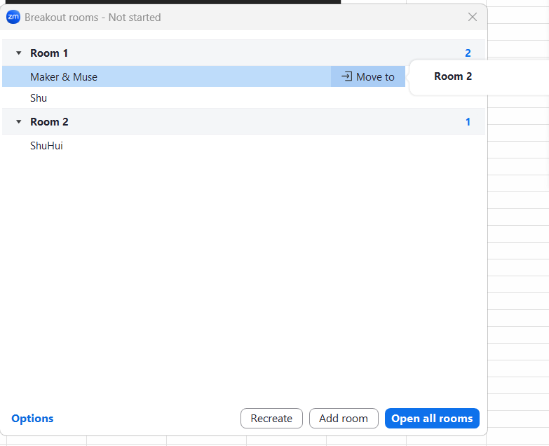
M | Kevin | Phua | Commercial Real Estate | Y
M | Lawrence | Ku | Leathersmith | Y
M | Mark | Duma | Photographer
M | Pamela | Lin | Res Real Estate | Y
M | Rachel | Teo
M | Sandy | Au | Corp Investments | Y
M | Sean | Wee | FX | Y
M | ShuHui | Zhao
M | Wee Khai | Pang | Wealth Accumulation | Y
M | Yu Xi | Kuek | Gen Insurance | Y
M | Zefirelli | Noordin
G | Syarf | Teguh
G | Charmine | Substitute (Rachel) | Real Estate Investment | Y
G | Sabrina | Substitute (Zef)
G | Jace | Substitute (Shu Hui) | Employee Benefit | Y
G | Gabriel | Substitute (Joanne) |  | Y
G | JunXian Zhang |  |  | Y
G | Claire Teo |  |  | Y

